Sheet1
 |  | Document No. | Issue No. | Issue Date |  | Review and Replace Date |  | Authorised By
 |  | GFF356MC | 1 | 03.05.2022 |  | New Issue |  | Magda Shah
 |  | Document Title | 4 LAMB SAMOSAS 160G
 |  |  |  |  |  |  |  | Magda Shah
Document amendments reason for change |  | Document created |  | Page 1 of 1 | Previous Issue Date |  | New Issue | Uncontrolled copy unless signed original

CLSAC-R6TTA | TAKUL |  | 4 LAMB SAMOSAS 160G | CHILLED
STEP 1 |  |  |  | STEP 2
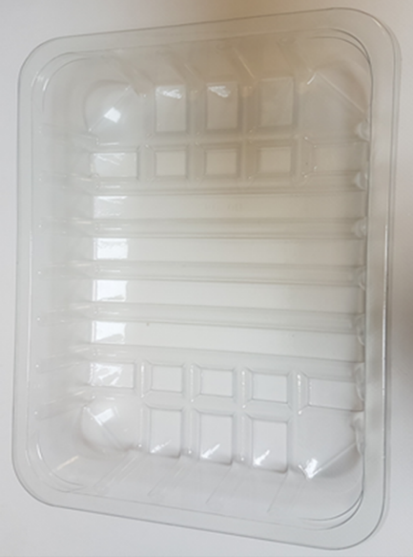 |  |  |  | 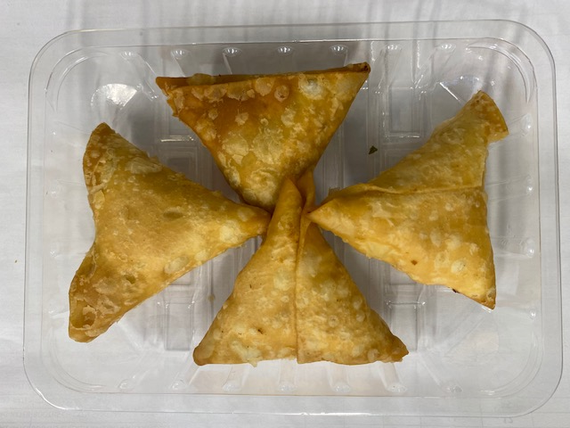

Tray: SK4-Plain Clear (PKESSOO1-07) |  |  |  | 4 x LAMB SAMOSAS 40g (GFF005R) |  |  |  |  | TOTAL WEIGHT 160g
Film: ME300AFV2, 300mmx 1000m (PKPRO001-16)
ALLERGY ALERT: WHEAT, SOYA

